Sheet1
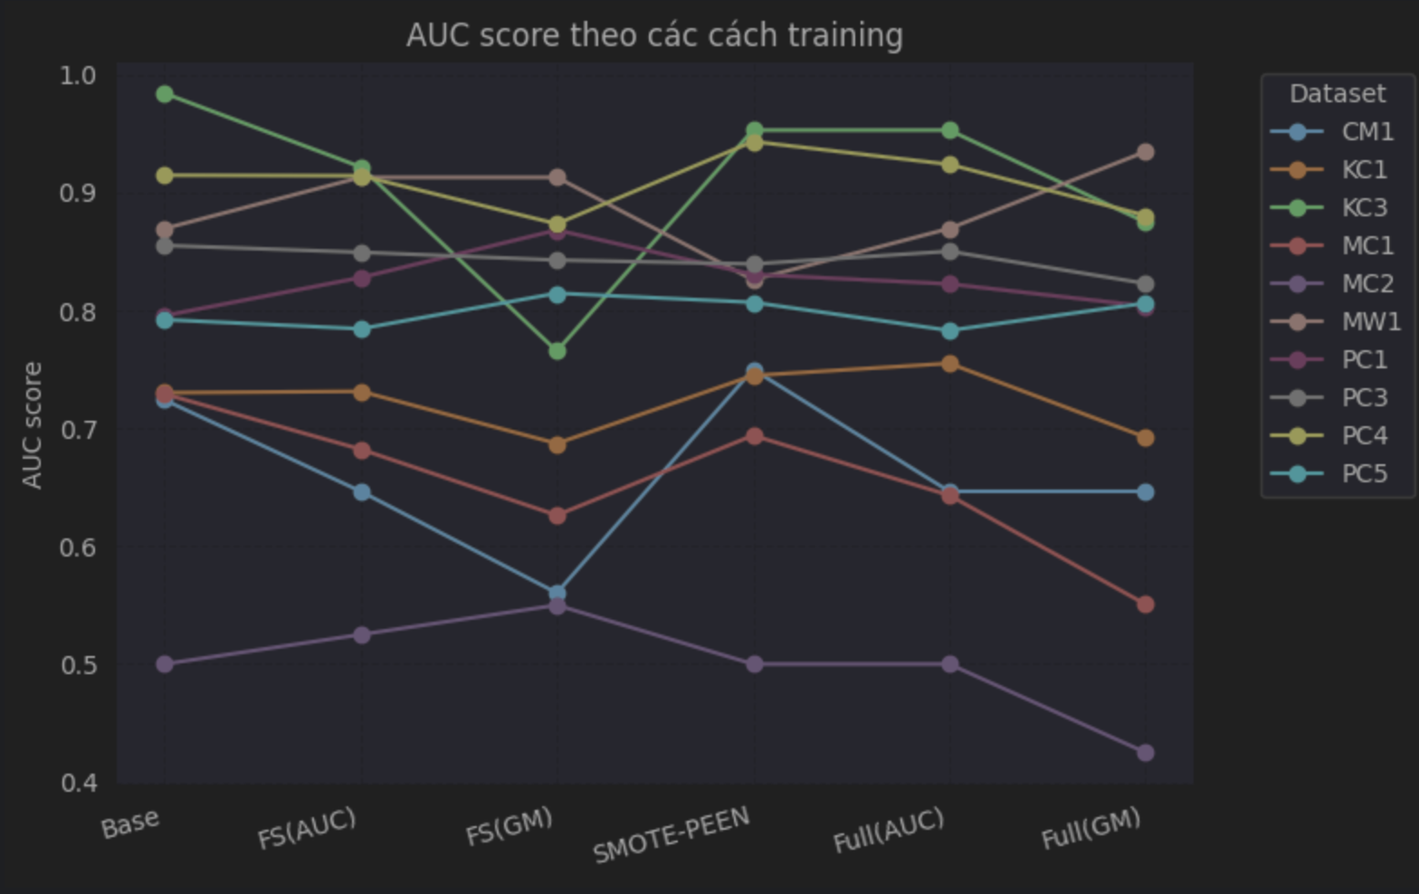
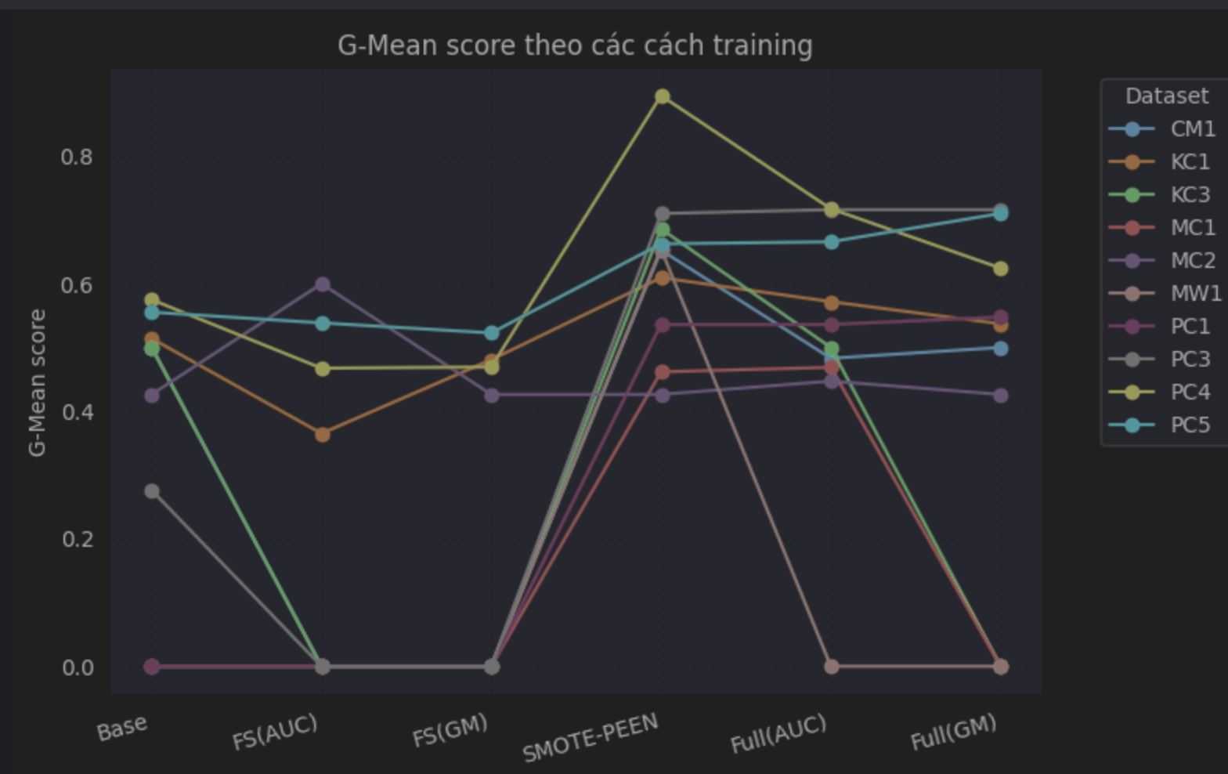
Without SMOTE-PEEN, Feature seletion |  |  | Feature seletion (AUC) |  |  |  | Feature seletion (G-mean)

 | AUC | G-Mean |  | Features | AUC | G-Mean |  | Features | AUC | G-Mean
CM1 | 0.72 | 0.5 | CM1 | 2, 4, 16, 3, 5 | 0.65 | 0 | CM1 | 21 | 0.56 | 0
KC1 | 0.73 | 0.51 | KC1 | 18, 20, 16, 2, 4, 3, 7 | 0.73 | 0.37 | KC1 | 19, 2, 9, 3 | 0.69 | 0.48
KC3 | 0.98 | 0.5 | KC3 | 3, 34 | 0.92 | 0 | KC3 | 3, 31 | 0.77 | 0
MC1 | 0.73 | 0 | MC1 | 35, 36, 10, 28, 13, 31, 24, 9, 5, 27 | 0.68 | 0 | MC1 | 0 | 0.63 | 0
MC2 | 0.5 | 0.43 | MC2 | 35, 22, 16, 4, 27, 13, 0, 26 | 0.52 | 0.6 | MC2 | 12, 31, 36, 24, 15 | 0.55 | 0.43
MW1 | 0.87 | 0 | MW1 | 10, 17, 14, 3, 9 | 0.91 | 0 | MW1 | 2, 8, 16 | 0.91 | 0
PC1 | 0.8 | 0 | PC1 | 17, 12, 3, 8, 6 | 0.83 | 0 | PC1 | 4, 9, 34, 14, 36, 6 | 0.87 | 0
PC3 | 0.86 | 0.28 | PC3 | 0, 35, 16, 32, 13, 10, 22 | 0.85 | 0 | PC3 | 0, 11, 22, 4, 16, 18, 15 | 0.84 | 0
PC4 | 0.91 | 0.57 | PC4 | 3, 6, 8, 4, 28, 10, 13 | 0.91 | 0.47 | PC4 | 3, 13, 33, 34 | 0.87 | 0.47
PC5 | 0.79 | 0.55 | PC5 | 25, 19, 9, 32, 3, 2, 4, 0, 27, 31, 17, 12, 30, 21, 5 | 0.78 | 0.54 | PC5 | 1, 3, 34, 7, 4, 9, 17, 16, 2, 8, 12, 10 | 0.81 | 0.52

SMOTE-PEEN |  |  | SMOTE-PEEN and Feature seletion (AUC) |  |  |  | SMOTE-PEEN and Feature Selection (G-mean)

 | AUC | G-Mean |  | Features | AUC | G-Mean |  | Features | AUC | G-Mean
CM1 | 0.75 | 0.65 | CM1 | 2, 4, 16, 3, 5 | 0.65 | 0.48 | CM1 | 21 | 0.65 | 0.5
KC1 | 0.74 | 0.61 | KC1 | 18, 20, 16, 2, 4, 3, 7 | 0.76 | 0.57 | KC1 | 19, 2, 9, 3 | 0.69 | 0.54
KC3 | 0.95 | 0.69 | KC3 | 3, 34 | 0.95 | 0.5 | KC3 | 3, 31 | 0.875 | 0
MC1 | 0.69 | 0.46 | MC1 | 35, 36, 10, 28, 13, 31, 24, 9, 5, 27 | 0.64 | 0.47 | MC1 | 0 | 0.55 | 0
MC2 | 0.5 | 0.43 | MC2 | 35, 22, 16, 4, 27, 13, 0, 26 | 0.5 | 0.45 | MC2 | 12, 31, 36, 24, 15 | 0.43 | 0.43
MW1 | 0.83 | 0.65 | MW1 | 10, 17, 14, 3, 9 | 0.87 | 0 | MW1 | 2, 8, 16 | 0.93 | 0
PC1 | 0.83 | 0.54 | PC1 | 17, 12, 3, 8, 6 | 0.82 | 0.54 | PC1 | 4, 9, 34, 14, 36, 6 | 0.8 | 0.55
PC3 | 0.84 | 0.71 | PC3 | 0, 35, 16, 32, 13, 10, 22 | 0.85 | 0.72 | PC3 | 0, 11, 22, 4, 16, 18, 15 | 0.82 | 0.72
PC4 | 0.94 | 0.89 | PC4 | 3, 6, 8, 4, 28, 10, 13 | 0.92 | 0.72 | PC4 | 3, 13, 33, 34 | 0.88 | 0.62
PC5 | 0.81 | 0.66 | PC5 | 25, 19, 9, 32, 3, 2, 4, 0, 27, 31, 17, 12, 30, 21, 5 | 0.78 | 0.67 | PC5 | 1, 3, 34, 7, 4, 9, 17, 16, 2, 8, 12, 10 | 0.81 | 0.71

